About
Suite 143, 580 Hay St
Perth ,Western Australia 6000
tel: +61 8 6210 8500
fax: +61 6210 1662
www.accessanalytic.com.au
info@accessanalytic.com.au

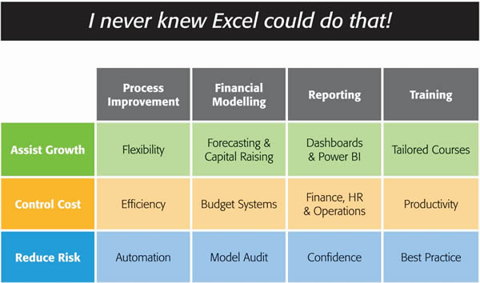

We provide AMAZING Excel solutions that enable companies to grow faster, reduce costs and reduce risk.
Our Services fall into three groups:
Helping Companies Grow
Process Improvement: streamlining processes to create flexible, scalable processes.
Financial Modelling: to forecast results (e.g. equity/loan capital raising, business planning, feasibility studies, project economics etc.) with sensitivity and scenario analysis to support decision-making with confidence.
Reporting: tailored dashboards and KPIs using Excel and Power BI to connect to both cloud and on-premise data, thereby allowing companies to keep on top of their operations, gain insights, and make data-driven decisions.
Training: training in all of these areas to transfer skills to support further growth.
Helping Companies Control Cost
Process Improvement: efficient Excel-based processes that reduce the need for manual input.
Financial Modelling: Excel-based budgeting and forecasting systems that enable companies to efficiently control and monitor their costs.
Reporting: reporting to assist Finance, Human Resources and Operations with their areas of responsibility for cost control.
Training: assisting staff to become more productive and reduce the need for additional resources. Courses are provided on an in-house basis, which often results in a cost saving of 50% or more compared to public courses.
Helping Companies Reduce Risk
Process Improvement: by automating processes, companies not only save time, they also reduce the errors and risks that result from manual inputs. This results in more accurate data, which can provide better analysis.
Financial Modelling: independent model auditing services to provide assurance that key models are producing accurate results and can be relied upon.
Reporting: reporting that focuses on the right data at the right time to provide transparency & visibility.
Training: financial modelling best practices to reduce risk and improve quality.
We are based in Perth, Western Australia and the business was established in 2000.

Version: | 1.00
Developer: | Jeff Robson
 | jrobson@accessanalytic.com.au

