Welcome
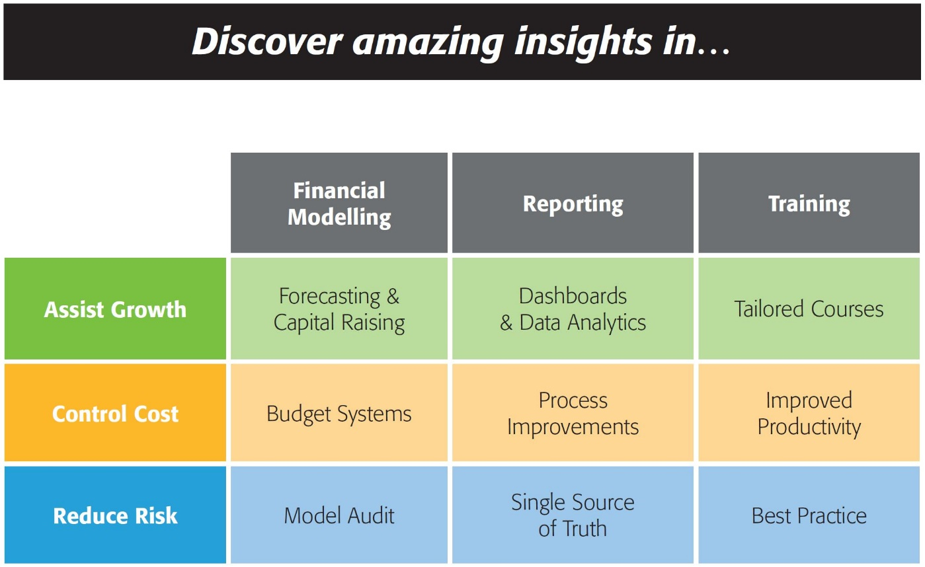


143/580 Hay St
Perth WA 6000
Australia
Ph: +61 8 6210 8500
www.accessanalytic.com.au

Power Query Challenge
by Jeff Robson
jrobson@accessanalytic.com.au
Director, Access Analytic accessanalytic.com.au/blog | @AAnalytic | Jeff Robson

Challenge
Power Query Challenge
Starting with the data on the Start sheet, turn this into the format shown on the Finish sheet, using only Power Query.

