Welcome
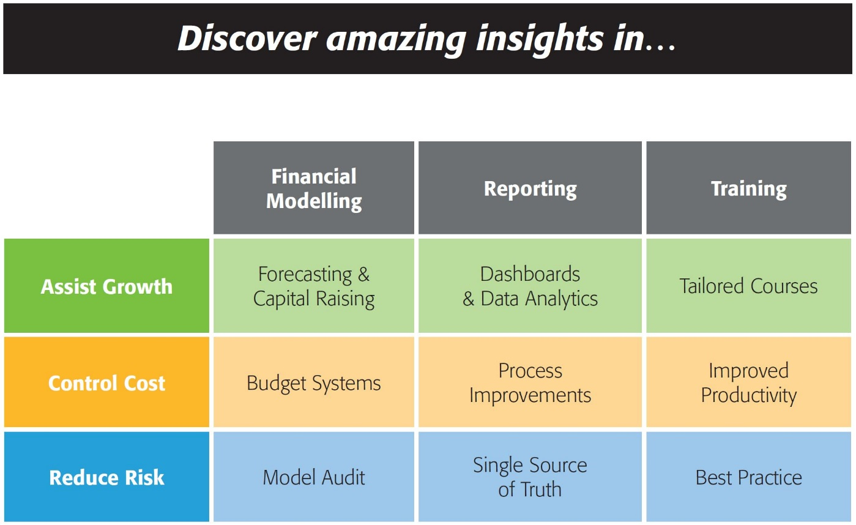


143/580 Hay St
Perth WA 6000
Australia
Ph: +61 8 6210 8500
www.accessanalytic.com.au

Power Query Challenge
by Wyn Hopkins
whopkins@accessanalytic.com.au
Director, Access Analytic accessanalytic.com.au/blog | @AAnalytic | Wyn Hopkins

Source
AIM:
Select Range and Convert to required result
Solution should work when dates, codes, colours or values change
Note the colours in the Required Result are for guidance purposes only and are not part of the challenge

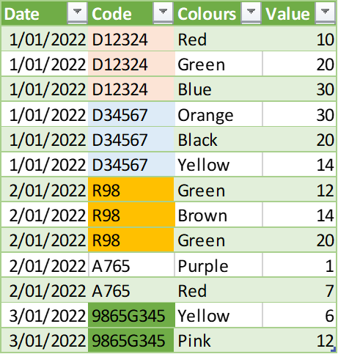
Click to select Range |  |  |  |  | Required Result
 | Data
 | 2022-01-01 | Code | Colours | Value
 |  | LB-D12324 | Red;Green;Blue | 10 20 30
 |  | RL:D34567 | Orange;Black;Yellow | 30 20 14
 | 2022-01-02 | ST;R98 | Green;Brown;Green | 12 14 20
 |  | JK,A765 | Purple;Red | 1 7
 | 2022-01-03 | RT[9865G345 | Yellow;Pink | 6 12

